plume
x(km) | 1
y(m) | 1
E(g/s) | 1
U(m/s) | 1
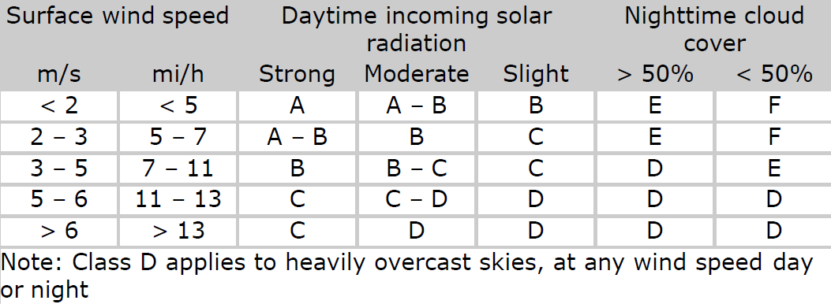
He(m) | 1
cat | b

a | 156
c | 108.2
d | 1.098
f | 2

Sy(m) | 156
Sz(m) | 110.2

C(g/m3) | 1.8514719234E-05

oxygen waste
 | waste water | stream | Mixed
flow(m3/s) | 0.7 | 3.8 | 4.5
Dissolved oxygen(mg/L) | 1 | 8 | 6.9111111111
Temperature(°C) | 20 | 20 | 20
BOD5 at 20°C | 171 | 2.2 | 28.457777778
 |  |  |  | Theta | 1.024
O2 consumption rate(1/day) kd,20 | 0.2 |  |  | Phi(Theta for kd) | 1.135 | (Got in another problem, so not sure about value)
O2 re aeration rate(1/day) kr,20 | 0
time(days) | 2
Dos (Saturated dissolved oxygen) | 9.17
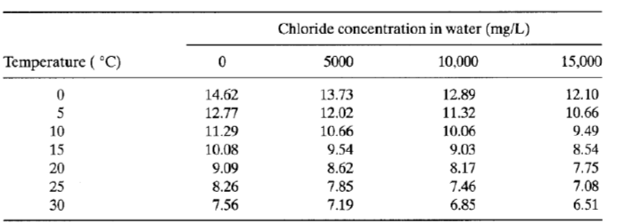
L0 | 45.019541574
kd | 0.2
kr | 0
Da | 2.2588888889

D(t)(mg/L) | 17.100929282
DO(t)(mg/L) | -7.9309292824

tc(days) | #NUM!
Dc(mg/L) | #NUM!
DOc(mg/L) | #NUM!

